Overview
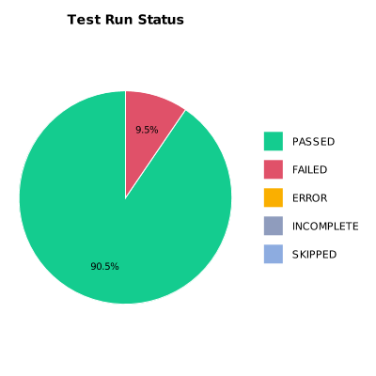
EXECUTION SUMMARY
Test Run ID | 1080
Status | FAILED
Organization | FIT@HCMUS
Team | First Team
Project | First Project
By | Tan Nguyen Phu
Start Time | 01/08/2024 18:05:01 +00:00
Duration | 0:04:42.318

TEST RESULTS
Total test results | 21
Passed | 19
Failed | 2
Error | 0
Incomplete | 0
Skipped | 0

